OPENNING



VIRCO Valuation
made by roi dayan
start date: 03/07/24
end date:
date format: day/month/year
model: Discounted Cash Flow


main products






 |  |  | school tables | computer stations |  | light weight folding table | chairs
students tables

"he Virco Manufacturing Corporation, more commonly known as Virco, is an American furniture manufacturer based in Torrance, California which focuses on providing products for educational markets.
The principal products of the company include student desks and activity tables, school and office
seating, computer stations, lightweight folding tables, and upholstered chairs"
source from wikipedia

major risks from 2024 10k report:

Our product sales are significantly affected by education funding, which is a function of tax revenues and general economic conditions.
If the economy weakens, funding for education may fail to improve or decrease, which would adversely affect our business and results of operations

The majority of our sales are priced through one contract, under which we are the exclusive supplier of classroom furniture

the firm is effected by steel, plastic, and other raw materials, transportation, and energy prices

 |  |  |  |  | 0
YEAR | revenues | growth rate |  |  | 0
2009 | $24,509 | 0 |  |  | 0
2010 | $34,204 | 39.56% |  |  | 0
2011 | $48,077 | 40.56% |  |  | 0
2012 | $61,093 | 27.07% |  |  | 0
2013 | $74,452 | 21.87% |  |  | 0
2014 | $88,988 | 19.52% |  |  | 0
2015 | $107,006 | 20.25% |  |  | 0
2016 | $135,987 | 27.08% |  |  | 0
2017 | $177,866 | 30.80% |  |  | 0
2018 | $232,887 | 30.93% |  |  | 0
2019 | $280,522 | 20.45% |  |  | 0
2020 | $386,064 | 37.62% |  |  | 0
2021 | $469,822 | 21.70% |  |  | 0
2022 | $513,983 | 9.40%
2023 | $574,785

WACC
EQUITY

 | risk free rate

 | current us 30y bond: |  | 4.50%
 | average us 30y bond: |  | 3%

 | risk free rate Assumption
 | 4.50% |  |  |  | 3.00%

 | equity risk premium

 | the firm didn’t specify revenues by country/region
 | but from reading the annual report, she mainly of not souly operate and sell in the us.

 | current equity risk premium: |  |  |  | 3.97%
 | historical average equity risk premium: |  |  |  | 4.12%

 | Equity Risk Premium Assumption
 | 3.97% |  |  |  | 4.12%

 | beta

 | current 5y regression beta: |  |  |  | 0.67
 | average market industry unlevered beta: |  |  |  | 0.88

 | beta Assumption
 | 0.67 |  |  |  | 0.88

 | cost of equity

 |  | current | terminal
 | risk free rate | 4.50% | 3%
 | equity risk premium | 3.97% | 4.12%
 | beta | 0.67 | 0.88
 | cost of equity | 7.2% | 6.6%

 | cost of equity Assumption
 | 7.16% |  |  | 6.63%

 | year | current | 1 | 2 | 3 | 4 | 5 | terminal
 | cost of equity | 7.16% | 7.07% | 6.98% | 6.89% | 6.80% | 6.71% | 6.63%
 |  | -0.0008905 | -0.0008905 | -0.0008905 | -0.0008905 | -0.0008905 | -0.0008905 | -0.0008905 |  |  |  | 0
 | market value of equity
 | price per share: | $13.30
 | shares outstanding: | 16,210.00 | thousands

 | market value of equity: | $215,593.00 | thousands

DEBT

 | cost of debt
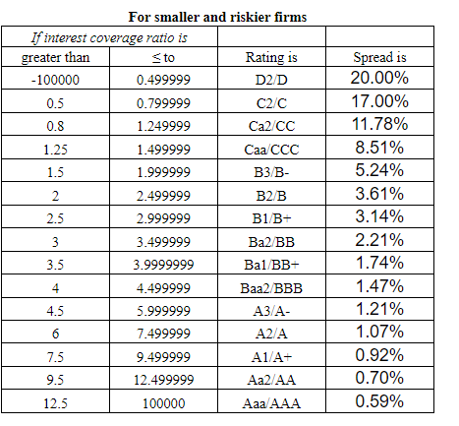
 | cost of debt = rf + x*country default risk + company default risk
 | x = 0; the usa has a default risk of 0%
 | cost of debt = rf+company default risk

 | virco has no bonds outstanding

 | interest coverage ratio = operating income/interest expenses = 2971/208 = |  |  |  |  |  | 14.283653846

 | spread = | 0.59%

 | cost of debt Assumption
 | 5.09% |  |  | 3.59%

 | year | current | 1 | 2 | 3 | 4 | 5 | terminal
 | cost of debt | 5.09% | 4.84% | 4.59% | 4.34% | 4.09% | 3.84% | 3.59%
 |  | -0.0025 | -0.0025 | -0.0025 | -0.0025 | -0.0025 | -0.0025 | -0.0025

 | market value of debt

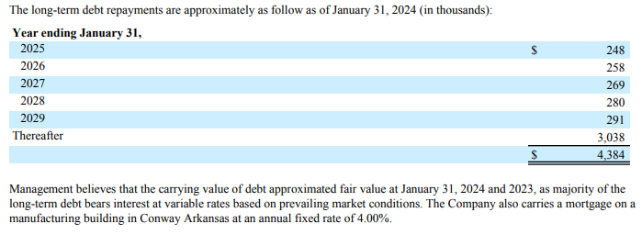
 | year
 | 2025 | $248
 | 2026 | $258
 | 2027 | $269
 | 2028 | $280
 | 2029 | $291
 | thereafter | $3,038

 | average year debt due: |  | $269
 | thereafter/average year debt due = |  | 11.285289747

 | we will round it to 11 years

 | 2025 - 2029 + 11 years = 16 years until all debt is paayed
 |  |  | -0.001 | -0.001 | -0.001 | -0.001 | -0.001 | -0.001 | -0.001 | -0.001 | -0.001 | -0.001 | -0.001 | -0.001 | -0.001 | -0.001
 | year | 1 | 2 | 3 | 4 | 5 | 6 | 7 | 8 | 9 | 10 | 11 | 12 | 13 | 14 | 15 | 16
 | interest exp | 2175 | 2175 | 2175 | 2175 | 2175 | 2175 | 2175 | 2175 | 2175 | 2175 | 2175 | 2175 | 2175 | 2175 | 2175 | 2175
 | cost of debt | 5.09% | 4.99% | 4.89% | 4.79% | 4.69% | 4.59% | 4.49% | 4.39% | 4.29% | 4.19% | 4.09% | 3.99% | 3.89% | 3.79% | 3.69% | 3.59%
 | present value | 2069.6545818 | 1973.1649387 | 1884.7641177 | 1803.7647682 | 1729.55056 | 1661.5686265 | 1599.3229047 | 1542.3682642 | 1490.3053282 | 1442.7759056 | 1399.4589612 | 1360.0670613 | 1324.3432422 | 1292.0582516 | 1263.0081242 | 1237.0120556

 | total: | $25,073.19 | in thousands
 | total debt: | $19,175.00
 | market value of debt: | $44,248.19

Tax rate

 | tax rate Assumption
 | effective tax rate |  |  | marginal tax rate

 | us coroprate marginal tax rate: | 21%
 | current virco's effective tax rate: | 25.46%

 | tax rate assumption Assumption
 | 25.46% |  |  | 21.00%

 | year | current | 1 | 2 | 3 | 4 | 5 | terminal
 | tax rate | 25.46% | 24.72% | 23.97% | 23.23% | 22.49% | 21.74% | 21.00%
 |  | -0.0074358527807 | -0.0074358527807 | -0.0074358527807 | -0.0074358527807 | -0.0074358527807 | -0.0074358527807 | -0.0074358527807

WACC

 | period | 1 | 2 | 3 | 4 | 5 | terminal
 | cost of equity | 7.07% | 6.98% | 6.89% | 6.80% | 6.71% | 6.63%
 | market value of equity | $215,593.00 | $215,593.00 | $215,593.00 | $215,593.00 | $215,593.00 | $215,593.00
 | cost of debt | 4.84% | 4.59% | 4.34% | 4.09% | 3.84% | 3.59%
 | tax rate | 25% | 24% | 23% | 22% | 22% | 21%
 | after tax cost of debt | 3.644% | 3.490% | 3.332% | 3.170% | 3.005% | 2.836%
 | market value of debt | $44,248.1877 | $44,248.1877 | $44,248.1877 | $44,248.1877 | $44,248.1877 | $44,248.1877
 | debt porion of capital | 17.03% | 17.03% | 17.03% | 17.03% | 17.03% | 17.03%
 | equity portion of capital | 82.97% | 82.97% | 82.97% | 82.97% | 82.97% | 82.97%
 | cost of capital (WACC) | 6.49% | 6.39% | 6.29% | 6.18% | 6.08% | 5.98%

Story&Estimates
Story
 | major risks from 2024 10k report:

 | Our product sales are significantly affected by education funding, which is a function of tax revenues and general economic conditions.
 | If the economy weakens, funding for education may fail to improve or decrease, which would adversely affect our business and results of operations

 | The majority of our sales are priced through one contract, under which we are the exclusive supplier of classroom furniture

 | the firm is effected by steel, plastic, and other raw materials, transportation, and energy prices

 | by story 1, the firm managed to rebound, but she is not a young company and the industry as well is a slowing one, in few years she will become mature.
 | in the upcoming years, margins will get higher torwards industry average, growth will slow down, and reinvestment as well.

 | growth rates

 | YEAR | rev | growth rate |  | average growth rate: |  | 5.36%
 | 2009 | $212 | 0% |  | median growth rate: |  | 5.81%
 | 2010 | $191 | -9.91%
 | 2011 | $181 | -5.24%
 | 2012 | $166 | -8.29%
 | 2013 | $158 | -4.82%
 | 2014 | $155 | -1.90%
 | 2015 | $164 | 5.81%
 | 2016 | $169 | 3.05%
 | 2017 | $173 | 2.37%
 | 2018 | $189 | 9.25%
 | 2019 | $201 | 6.35%
 | 2020 | $193 | -3.98%
 | 2021 | $153 | -20.73%
 | 2022 | $185 | 20.92%
 | 2023 | $231 | 24.86%
 | 2024 | $269 | 16.45%

 | current year growh: 16.45%
 | growth rate Assumption
 | 16.45% |  |  | 5.00%

 | year | current | 1 | 2 | 3 | 4 | 5 | terminal
 | growth rate | 16.45% | 14.54% | 12.63% | 10.73% | 8.82% | 6.91% | 5.00%

 | terminal growth rate Assumption
 |  |  | 3.00%

 |  | -0.019083694084 | -0.019083694084 | -0.019083694084 | -0.019083694084 | -0.019083694084 | -0.019083694084 | -0.019083694084
 | operating margins

 | YEAR | rev | operating inc | operating margins
 | 2009 | $212 | $5 | 2.36%
 | 2010 | $191 | $- | 0.00%
 | 2011 | $181 | $-8 | -4.42% |  | average |  | 0.57%
 | 2012 | $166 | $-13 | -7.83% |  | median |  | 1.00%
 | 2013 | $158 | $-2 | -1.27% |  | average industry |  | 5.84%
 | 2014 | $155 | $-1 | -0.65%
 | 2015 | $164 | $2 | 1.22%
 | 2016 | $169 | $6 | 3.55%
 | 2017 | $173 | $6 | 3.47%
 | 2018 | $189 | $5 | 2.65%
 | 2019 | $201 | $2 | 1.00%
 | 2020 | $193 | $6 | 3.11%
 | 2021 | $153 | $1 | 0.65%
 | 2022 | $185 | $- | 0.00%
 | 2023 | $231 | $11 | 4.76%
 | 2024 | $269 | $32 | 11.90%

 | Operating margin Assumption
 | 6.40% |  |  | 5.84%

 | year | current | 1 | 2 | 3 | 4 | 5 | terminal
 | operating margin | 6.40% | 6.31% | 6.21% | 6.12% | 6.03% | 5.93% | 5.84%
 |  | -0.00093333333333 | -0.00093333333333 | -0.00093333333333 | -0.00093333333333 | -0.00093333333333 | -0.00093333333333 | -0.00093333333333
 | reinvestment rate
2009
2010 | 15.2%
2011 | 23.2%
2012 | 18.7%
2013 | 11.4%
2014 | 9.0%
2015 | 12.2%
2016 | 12.4%
2017 | 15.6%
2018 | 15.3%
2019 | 16.4%
2020 | 18.1%
2021 | 23.5%
2022 | 16.8%
2023 | 15.2%
2024 | 15.6%
 | reinvestment

 | YEAR | rev | current assets | cash | current liab | non cash wc | chg in pp&e | reinvestment | reinvestment rate
 | 2009 | $212 | $58 | 4 | 28 | $26 | 3 | $29
 | 2010 | $191 | $61 | 1 | 23 | $37 | 5 | $42 | 15.2%
 | 2011 | $181 | $50 | 2 | 20 | $28 | 3 | $31 | 23.2%
 | 2012 | $166 | $46 | 3 | 27 | $16 | 2 | $18 | 18.7%
 | 2013 | $158 | $37 | 1 | 24 | $12 | 2 | $14 | 11.4%
 | 2014 | $155 | $40 | 1 | 23 | $16 | 4 | $20 | 9.0%
 | 2015 | $164 | $39 | 0 | 21 | $18 | 3 | $21 | 12.2%
 | 2016 | $169 | $47 | 1 | 23 | $23 | 4 | $27 | 12.4%
 | 2017 | $173 | $48 | 1 | 22 | $25 | 4 | $29 | 15.6%
 | 2018 | $189 | $56 | 1 | 28 | $27 | 6 | $33 | 15.3%
 | 2019 | $201 | $63 | 1 | 32 | $30 | 5 | $35 | 16.4%
 | 2020 | $193 | $58 | 1 | 25 | $32 | 4 | $36 | 18.1%
 | 2021 | $153 | $51 | 0 | 22 | $29 | 2 | $31 | 23.5% | 16.6%
 | 2022 | $185 | $69 | 1 | 36 | $32 | 3 | $35 | 16.8% | 15.6%
 | 2023 | $231 | $89 | 1 | 49 | $39 | 3 | $42 | 15.2%
 | 2024 | $269 | $89.00 | 5 | 39 | $45 | 5 | $50 | 15.6%

 | reinvestment rate Assumption
 | 18.00% |  |  | 18.00%

 | year | current | 1 | 2 | 3 | 4 | 5 | terminal
 | reinvestment rate | 18.00% | 18.00% | 18.00% | 18.00% | 18.00% | 18.00% | 18.00%
 |  | 0 | 0 | 0 | 0 | 0 | 0

sales to invested capital
2009
2010 | 3.08
2011 | 2.41
2012 | 3.02
2013 | 4.79
2014 | 5.96
2015 | 4.97
2016 | 5.83
2017 | 4.55
2018 | 3.00
2019 | 2.87
2020 | 2.72
2021 | 2.19
2022 | 2.89
2023 | 3.85
2024 | 3.32
 | YEAR | rev | total equity | total debt | cash | invested cap | stic ratio
 | 2009 | $212.00 | $66.00 | $- | $4.00 | $62.00
 | 2010 | $191.00 | $69.00 | $7.00 | $1.00 | $75.00 | 3.08
 | 2011 | $181.00 | $50.00 | $7.00 | $2.00 | $55.00 | 2.41
 | 2012 | $166.00 | $31.00 | $5.00 | $3.00 | $33.00 | 3.02
 | 2013 | $158.00 | $27.00 | $- | $1.00 | $26.00 | 4.79
 | 2014 | $155.00 | $28.00 | $6.00 | $1.00 | $33.00 | 5.96 |  |  |  |  |  |  | 0
 | 2015 | $164.00 | $23.00 | $6.00 | $- | $29.00 | 4.97 |  |  |  |  |  |  | 0
 | 2016 | $169.00 | $33.00 | $6.00 | $1.00 | $38.00 | 5.83 |  |  |  |  |  |  | 0
 | 2017 | $173.00 | $59.00 | $5.00 | $1.00 | $63.00 | 4.55 |  |  |  |  |  |  | 0
 | 2018 | $189.00 | $59.00 | $12.00 | $1.00 | $70.00 | 3.00 |  |  |  |  |  |  | 0
 | 2019 | $201.00 | $56.00 | $16.00 | $1.00 | $71.00 | 2.87 |  |  |  |  |  |  | 0
 | 2020 | $193.00 | $55.00 | $16.00 | $1.00 | $70.00 | 2.72 |  |  |  |  |  |  | 0
 | 2021 | $153.00 | $54.00 | $10.00 | $- | $64.00 | 2.19 |  |  |  |  |  |  | 0
 | 2022 | $185.00 | $47.00 | $14.00 | $1.00 | $60.00 | 2.89 |  |  |  |  |  |  | 0
 | 2023 | $231.00 | $68.00 | $14.00 | $1.00 | $81.00 | 3.85 |  |  |  |  |  |  | 0
 | 2024 | $269.00 | $91.00 | $4.00 | $5.00 | $90.00 | 3.32 |  |  |  |  |  |  | 0
 |  |  |  |  |  |  |  |  |  |  |  |  |  | 0
 |  |  |  |  |  |  |  |  |  |  | YEAR | stic ratio |  | 0
 | 1.8596491228 |  | 3.6965705126 |  | operating inc | invested cap |  | chg in op imc |  |  | 2009 | 3.08 |  | 0
 | 1.5785123967 |  |  |  | $5 | $114.00 | 0.043859649123 |  |  |  | 2010 | 2.41 |  | 0
 | 1.8469387755 |  |  |  | $- | $121.00 | 0 | $-5 | #DIV/0! |  | 2011 | 3.02 |  | 0
 | 1.8241758242 |  |  |  | $-8 | $98.00 | -0.081632653061 | $-8 | 98 |  | 2012 | 4.79
 | 1.950617284 |  |  |  | $-13 | $91.00 | -0.14285714286 | $-5 | 35 |  | 2018 | 2.87 | $3.26
 | 1.8674698795 |  |  |  | $-2 | $81.00 | -0.024691358025 | $11 | -445.5 |  | 2019 | 2.72 | $3.05
 | 2 |  |  |  | $-1 | $83.00 | -0.012048192771 | $1 | -83 |  | 2022 | 3.85
 | 1.9204545455 |  |  |  | $2 | $82.00 | 0.024390243902 | $3 | 123 |  | 2023 | 3.32
 | 1.6168224299 |  |  |  | $6 | $88.00 | 0.068181818182 | $4 | 58.666666667
 | 1.6293103448 |  |  |  | $6 | $107.00 | 0.056074766355 | $- | 0
 | 1.6611570248 |  |  |  | $5 | $116.00 | 0.043103448276 | $-1 | -23.2 |  | 2024
 | 1.3985507246 |  |  |  | $2 | $121.00 | 0.01652892562 | $-3 | -181.5
 | 1.48 |  |  |  | $6 | $138.00 | 0.04347826087 | $4 | 92
 | 1.5503355705 |  |  |  | $1 | $125.00 | 0.008 | $-5 | -625
 | 1.9078014184 |  |  |  | $- | $125.00 | 0 | $-1 | #DIV/0!
 |  |  |  |  | $11 | $149.00 | 0.073825503356 | $11 | 149
 |  |  |  |  | $32 | $141.00 | 0.22695035461 | $21 | 92.53125

 | current revenues to invested capital ratio = 3.32
 | RTIC Assumption
 | 3.32 |  |  | 3

 | year | current | 1 | 2 | 3 | 4 | 5 | terminal
 | RTIC | 3.32 | 3.27 | 3.21 | 3.16 | 3.11 | 3.05 | 3.00
 |  | -0.053333333333 | -0.053333333333 | -0.053333333333 | -0.053333333333 | -0.053333333333 | -0.053333333333

latest reports
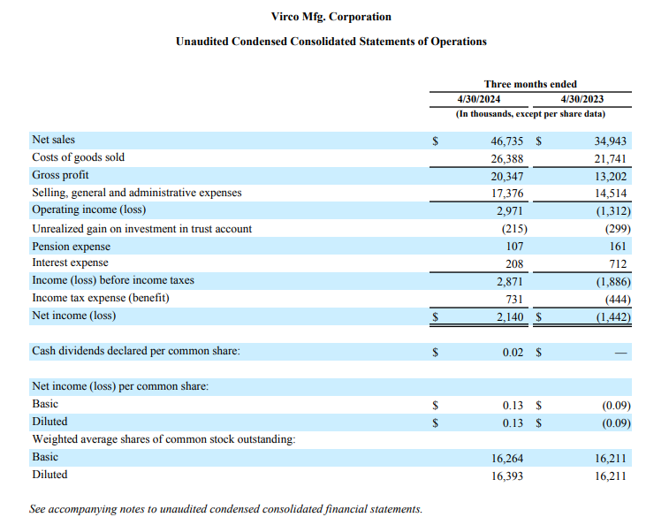

6.4% | -0.037546862032

731/2871

